Off White Kids
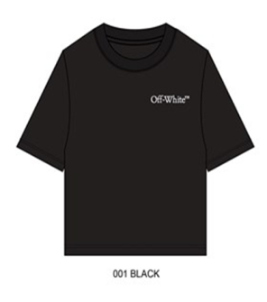
 |  |  |  |  |  |  |  |  |  |  |  |  |  |  |  |  |  | 75,294 | $16,290,510.00
Image | Brand Description | GENDER | Combi | Material | Composition | Fabric Content | Grid Value | Material Description | Material Color Description | Style Number | EX WH DATE | MSRP USD | Inner Pack | Master Pack | Ratio | UPC | ATS Quantity | TOTAL QUANTITY | TOTAL VALUE AT RRP
 | Off-White | KIDS UNISEX |  | 25OK070F505F-001C6 | BANGLADESH | 100% COTTON |  | DRIPPING ARROW BASIC FIT TEE | BLACK | OK070F505001 | 2026-10-25 | $185.00 | 6 | 6 | 6 | '198740945535 | 3,630 | 3,630 | $671,550.00
 |  |  | OK070F505F-001J | 25OK070F505F-001J |  |  | S8 |  | BLACK |  |  |  |  |  | 1 |  | 605
 |  |  | OK070F505F-001J | 25OK070F505F-001J |  |  | M10/12 |  | BLACK |  |  |  |  |  | 2 |  | 1,210
 |  |  | OK070F505F-001J | 25OK070F505F-001J |  |  | L14 |  | BLACK |  |  |  |  |  | 2 |  | 1,210
 |  |  | OK070F505F-001J | 25OK070F505F-001J |  |  | XL16 |  | BLACK |  |  |  |  |  | 1 |  | 605

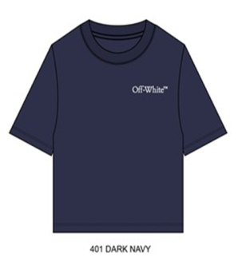
 | Off-White | KIDS UNISEX |  | 25OK070F505F-401C6 | BANGLADESH | 100% COTTON |  | DRIPPING ARROW BASIC FIT TEE | DARK NAVY | OK070F505401 | 2026-10-25 | $185.00 | 6 | 6 | 6 | '198740945542 | 4,002 | 4,002 | $740,370.00
 |  |  | OK070F505F-401J | 25OK070F505F-401J |  |  | S8 |  | DARK NAVY |  |  |  |  |  | 1 |  | 667
 |  |  | OK070F505F-401J | 25OK070F505F-401J |  |  | M10/12 |  | DARK NAVY |  |  |  |  |  | 2 |  | 1,334
 |  |  | OK070F505F-401J | 25OK070F505F-401J |  |  | L14 |  | DARK NAVY |  |  |  |  |  | 2 |  | 1,334
 |  |  | OK070F505F-401J | 25OK070F505F-401J |  |  | XL16 |  | DARK NAVY |  |  |  |  |  | 1 |  | 667

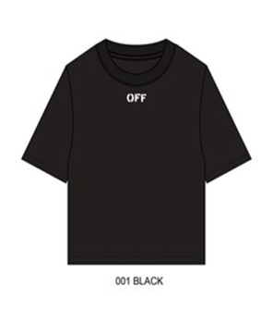
 | Off-White | KIDS UNISEX |  | 25OK070F507F-001C6 | BANGLADESH | 100% COTTON |  | SCRIBBLE GRAPHIC BASIC FIT TEE | BLACK | OK070F507001 | 2026-10-25 | $245.00 | 6 | 6 | 6 | '198740945566 | 4,536 | 4,536 | $1,111,320.00
 |  |  | OK070F507F-001J | 25OK070F507F-001J |  |  | S8 |  | BLACK |  |  |  |  |  | 1 |  | 756
 |  |  | OK070F507F-001J | 25OK070F507F-001J |  |  | M10/12 |  | BLACK |  |  |  |  |  | 2 |  | 1,512
 |  |  | OK070F507F-001J | 25OK070F507F-001J |  |  | L14 |  | BLACK |  |  |  |  |  | 2 |  | 1,512
 |  |  | OK070F507F-001J | 25OK070F507F-001J |  |  | XL16 |  | BLACK |  |  |  |  |  | 1 |  | 756

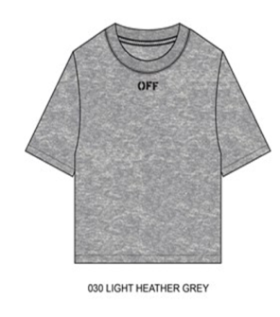
 | Off-White | KIDS UNISEX |  | 25OK070F507F-030C6 | BANGLADESH | 100% COTTON |  | SCRIBBLE GRAPHIC BASIC FIT TEE | LIGHT HEATHER GREY | OK070F507030 | 2026-10-25 | $245.00 | 6 | 6 | 6 | '198740945573 | 4,728 | 4,728 | $1,158,360.00
 |  |  | OK070F507F-030J | 25OK070F507F-030J |  |  | S8 |  | LIGHT HEATHER GREY |  |  |  |  |  | 1 |  | 788
 |  |  | OK070F507F-030J | 25OK070F507F-030J |  |  | M10/12 |  | LIGHT HEATHER GREY |  |  |  |  |  | 2 |  | 1,576
 |  |  | OK070F507F-030J | 25OK070F507F-030J |  |  | L14 |  | LIGHT HEATHER GREY |  |  |  |  |  | 2 |  | 1,576
 |  |  | OK070F507F-030J | 25OK070F507F-030J |  |  | XL16 |  | LIGHT HEATHER GREY |  |  |  |  |  | 1 |  | 788

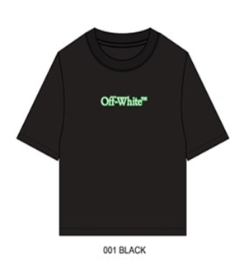
 | Off-White | KIDS UNISEX |  | 25OK070F510F-001C6 | BANGLADESH | 100% COTTON |  | GLOW IN THE DARK ARROW BASIC FIT TEE | BLACK | OK070F510001 | 2026-10-25 | $225.00 | 6 | 6 | 6 | '198740945610 | 4,446 | 4,446 | $1,000,350.00
 |  |  | OK070F510F-001J | 25OK070F510F-001J |  |  | S8 |  | BLACK |  |  |  |  |  | 1 |  | 741
 |  |  | OK070F510F-001J | 25OK070F510F-001J |  |  | M10/12 |  | BLACK |  |  |  |  |  | 2 |  | 1,482
 |  |  | OK070F510F-001J | 25OK070F510F-001J |  |  | L14 |  | BLACK |  |  |  |  |  | 2 |  | 1,482
 |  |  | OK070F510F-001J | 25OK070F510F-001J |  |  | XL16 |  | BLACK |  |  |  |  |  | 1 |  | 741

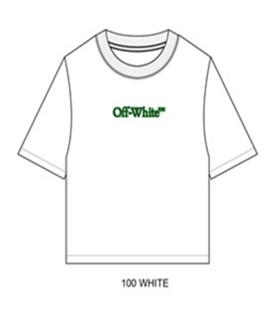
 | Off-White | KIDS UNISEX |  | 25OK070F510F-100C6 | BANGLADESH | 100% COTTON |  | GLOW IN THE DARK ARROW BASIC FIT TEE | WHITE | OK070F510100 | 2026-10-25 | $225.00 | 6 | 6 | 6 | '198740945627 | 4,128 | 4,128 | $928,800.00
 |  |  | OK070F510F-100J | 25OK070F510F-100J |  |  | S8 |  | WHITE |  |  |  |  |  | 1 |  | 688
 |  |  | OK070F510F-100J | 25OK070F510F-100J |  |  | M10/12 |  | WHITE |  |  |  |  |  | 2 |  | 1,376
 |  |  | OK070F510F-100J | 25OK070F510F-100J |  |  | L14 |  | WHITE |  |  |  |  |  | 2 |  | 1,376
 |  |  | OK070F510F-100J | 25OK070F510F-100J |  |  | XL16 |  | WHITE |  |  |  |  |  | 1 |  | 688

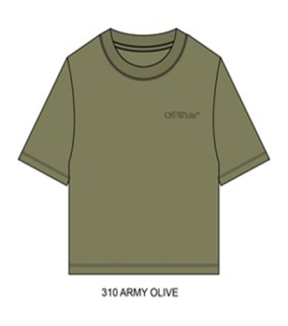
 | Off-White | KIDS UNISEX |  | 25OK070F512F-310C6 | BANGLADESH | 100% COTTON |  | SCRIBBLE GRAPHIC BASIC FIT TEE | ARMY GREEN | OK070F512310 | 2026-10-25 | $185.00 | 6 | 6 | 6 | '198740945641 | 4,296 | 4,296 | $794,760.00
 |  |  | OK070F512F-310J | 25OK070F512F-310J |  |  | S8 |  | ARMY GREEN |  |  |  |  |  | 1 |  | 716
 |  |  | OK070F512F-310J | 25OK070F512F-310J |  |  | M10/12 |  | ARMY GREEN |  |  |  |  |  | 2 |  | 1,432
 |  |  | OK070F512F-310J | 25OK070F512F-310J |  |  | L14 |  | ARMY GREEN |  |  |  |  |  | 2 |  | 1,432
 |  |  | OK070F512F-310J | 25OK070F512F-310J |  |  | XL16 |  | ARMY GREEN |  |  |  |  |  | 1 |  | 716

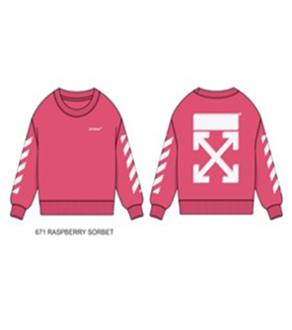
 | Off-White | KIDS GIRLS |  | 25OK160F501S-671C6 | PAKISTAN | 100% COTTON |  | SIGNATURE LOGO CREW NECK SWEATSHIRT | RASPBERRY SORBET | OK160F501671 | 2026-10-25 | $285.00 | 6 | 6 | 6 | '199920363521 | 1,692 | 1,692 | $482,220.00
 |  |  | OK160F501S-671 | 25OK160F501S-671 |  |  | S8 |  | RASPBERRY SORBET |  |  |  |  |  | 1 |  | 282
 |  |  | OK160F501S-671 | 25OK160F501S-671 |  |  | M10/12 |  | RASPBERRY SORBET |  |  |  |  |  | 2 |  | 564
 |  |  | OK160F501S-671 | 25OK160F501S-671 |  |  | L14 |  | RASPBERRY SORBET |  |  |  |  |  | 2 |  | 564
 |  |  | OK160F501S-671 | 25OK160F501S-671 |  |  | XL16 |  | RASPBERRY SORBET |  |  |  |  |  | 1 |  | 282

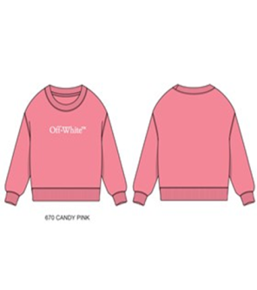
 | Off-White | KIDS GIRLS |  | 25OK160F504S-670C6 | PAKISTAN | 100% COTTON |  | BOOKISH CREW NECK SWEATSHIRT | CANDY PINK | OK160F504670 | 2026-10-25 | $235.00 | 6 | 6 | 6 | '199920363514 | 1,926 | 1,926 | $452,610.00
 |  |  | OK160F504S-670 | 25OK160F504S-670 |  |  | S8 |  | CANDY PINK |  |  |  |  |  | 1 |  | 321
 |  |  | OK160F504S-670 | 25OK160F504S-670 |  |  | M10/12 |  | CANDY PINK |  |  |  |  |  | 2 |  | 642
 |  |  | OK160F504S-670 | 25OK160F504S-670 |  |  | L14 |  | CANDY PINK |  |  |  |  |  | 2 |  | 642
 |  |  | OK160F504S-670 | 25OK160F504S-670 |  |  | XL16 |  | CANDY PINK |  |  |  |  |  | 1 |  | 321

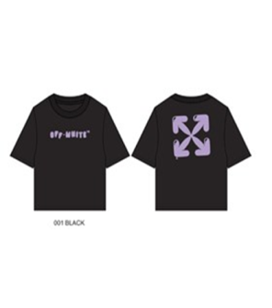
 | Off-White | KIDS GIRLS |  | 25OK170F501S-001C6 | BANGLADESH | 100% COTTON |  | BALLOON ART ARROW BASIC FIT TEE | BLACK | OK170F501001 | 2026-10-25 | $185.00 | 6 | 6 | 6 | '199920363507 | 684 | 684 | $126,540.00
 |  |  | OK170F501S-001 | 25OK170F501S-001 |  |  | S8 |  | BLACK |  |  |  |  |  | 1 |  | 114
 |  |  | OK170F501S-001 | 25OK170F501S-001 |  |  | M10/12 |  | BLACK |  |  |  |  |  | 2 |  | 228
 |  |  | OK170F501S-001 | 25OK170F501S-001 |  |  | L14 |  | BLACK |  |  |  |  |  | 2 |  | 228
 |  |  | OK170F501S-001 | 25OK170F501S-001 |  |  | XL16 |  | BLACK |  |  |  |  |  | 1 |  | 114

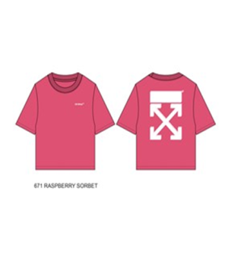
 | Off-White | KIDS GIRLS |  | 25OK170F505S-671C6 | BANGLADESH | 100% COTTON |  | SIGNATURE ARROW BASIC FIT TEE | RASPBERRY SORBET | OK170F505671 | 2026-10-25 | $185.00 | 6 | 6 | 6 | '199920363545 | 390 | 390 | $72,150.00
 |  |  | OK170F505S-671 | 25OK170F505S-671 |  |  | S8 |  | RASPBERRY SORBET |  |  |  |  |  | 1 |  | 65
 |  |  | OK170F505S-671 | 25OK170F505S-671 |  |  | M10/12 |  | RASPBERRY SORBET |  |  |  |  |  | 2 |  | 130
 |  |  | OK170F505S-671 | 25OK170F505S-671 |  |  | L14 |  | RASPBERRY SORBET |  |  |  |  |  | 2 |  | 130
 |  |  | OK170F505S-671 | 25OK170F505S-671 |  |  | XL16 |  | RASPBERRY SORBET |  |  |  |  |  | 1 |  | 65

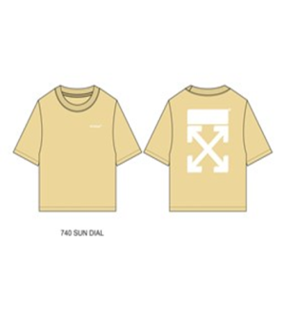
 | Off-White | KIDS GIRLS |  | 25OK170F505S-740C6 | BANGLADESH | 100% COTTON |  | SIGNATURE ARROW BASIC FIT TEE | SUN DIAL | OK170F505740 | 2026-10-25 | $185.00 | 6 | 6 | 6 | '199920363538 | 1,662 | 1,662 | $307,470.00
 |  |  | OK170F505S-740 | 25OK170F505S-740 |  |  | S8 |  | SUN DIAL |  |  |  |  |  | 1 |  | 277
 |  |  | OK170F505S-740 | 25OK170F505S-740 |  |  | M10/12 |  | SUN DIAL |  |  |  |  |  | 2 |  | 554
 |  |  | OK170F505S-740 | 25OK170F505S-740 |  |  | L14 |  | SUN DIAL |  |  |  |  |  | 2 |  | 554
 |  |  | OK170F505S-740 | 25OK170F505S-740 |  |  | XL16 |  | SUN DIAL |  |  |  |  |  | 1 |  | 277

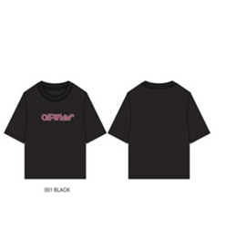
 | Off-White | KIDS GIRLS |  | 25OK170F507S-001C6 | BANGLADESH | 100% COTTON |  | BOOKISH BASIC FIT TEE | BLACK | OK170F507001 | 2026-10-25 | $160.00 | 6 | 6 | 6 | '199920363552 | 1,296 | 1,296 | $207,360.00
 |  |  | OK170F507S-001 | 25OK170F507S-001 |  |  | S8 |  | BLACK |  |  |  |  |  | 1 |  | 216
 |  |  | OK170F507S-001 | 25OK170F507S-001 |  |  | M10/12 |  | BLACK |  |  |  |  |  | 2 |  | 432
 |  |  | OK170F507S-001 | 25OK170F507S-001 |  |  | L14 |  | BLACK |  |  |  |  |  | 2 |  | 432
 |  |  | OK170F507S-001 | 25OK170F507S-001 |  |  | XL16 |  | BLACK |  |  |  |  |  | 1 |  | 216

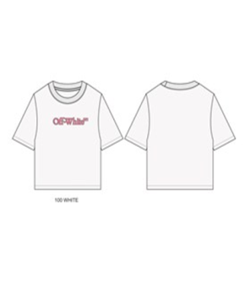
 | Off-White | KIDS GIRLS |  | 25OK170F507S-100C6 | BANGLADESH | 100% COTTON |  | BOOKISH BASIC FIT TEE | WHITE | OK170F507100 | 2026-10-25 | $160.00 | 6 | 6 | 6 | '199920363576 | 1,212 | 1,212 | $193,920.00
 |  |  | OK170F507S-100 | 25OK170F507S-100 |  |  | S8 |  | WHITE |  |  |  |  |  | 1 |  | 202
 |  |  | OK170F507S-100 | 25OK170F507S-100 |  |  | M10/12 |  | WHITE |  |  |  |  |  | 2 |  | 404
 |  |  | OK170F507S-100 | 25OK170F507S-100 |  |  | L14 |  | WHITE |  |  |  |  |  | 2 |  | 404
 |  |  | OK170F507S-100 | 25OK170F507S-100 |  |  | XL16 |  | WHITE |  |  |  |  |  | 1 |  | 202

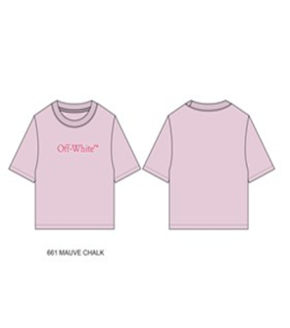
 | Off-White | KIDS GIRLS |  | 25OK170F507S-661C6 | BANGLADESH | 100% COTTON |  | BOOKISH BASIC FIT TEE | MAUVE CHALK | OK170F507661 | 2026-10-25 | $160.00 | 6 | 6 | 6 | '199920363583 | 1,170 | 1,170 | $187,200.00
 |  |  | OK170F507S-661 | 25OK170F507S-661 |  |  | S8 |  | MAUVE CHALK |  |  |  |  |  | 1 |  | 195
 |  |  | OK170F507S-661 | 25OK170F507S-661 |  |  | M10/12 |  | MAUVE CHALK |  |  |  |  |  | 2 |  | 390
 |  |  | OK170F507S-661 | 25OK170F507S-661 |  |  | L14 |  | MAUVE CHALK |  |  |  |  |  | 2 |  | 390
 |  |  | OK170F507S-661 | 25OK170F507S-661 |  |  | XL16 |  | MAUVE CHALK |  |  |  |  |  | 1 |  | 195

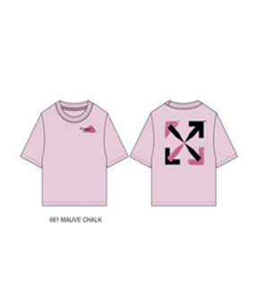
 | Off-White | KIDS GIRLS |  | 25OK170F518S-661C6 | BANGLADESH | 100% COTTON |  | HAND PAINTED ARROW BASIC FIT TEE | MAUVE CHALK | OK170F518661 | 2026-10-25 | $185.00 | 6 | 6 | 6 | '199920363569 | 588 | 588 | $108,780.00
 |  |  | OK170F518S-661 | 25OK170F518S-661 |  |  | S8 |  | MAUVE CHALK |  |  |  |  |  | 1 |  | 98
 |  |  | OK170F518S-661 | 25OK170F518S-661 |  |  | M10/12 |  | MAUVE CHALK |  |  |  |  |  | 2 |  | 196
 |  |  | OK170F518S-661 | 25OK170F518S-661 |  |  | L14 |  | MAUVE CHALK |  |  |  |  |  | 2 |  | 196
 |  |  | OK170F518S-661 | 25OK170F518S-661 |  |  | XL16 |  | MAUVE CHALK |  |  |  |  |  | 1 |  | 98

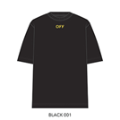
 | Off-White | KIDS UNISEX |  | 25OWFJA01F-001-C6 | BANGLADESH | 100% COTTON |  | OFF ACTIVE S/S TEE | BLACK | OWFJA01F-001 | 2026-09-25 | $185.00 | 6 | 6 | 6 | '199920220879 | 2,556 | 2,556 | $472,860.00
 |  |  | OWFJA01F-001-PC | 25OWFJA01F-001-PC |  |  | S8 |  | BLACK |  |  |  |  |  | 1 |  | 426
 |  |  | OWFJA01F-001-PC | 25OWFJA01F-001-PC |  |  | M10/12 |  | BLACK |  |  |  |  |  | 2 |  | 852
 |  |  | OWFJA01F-001-PC | 25OWFJA01F-001-PC |  |  | L14 |  | BLACK |  |  |  |  |  | 2 |  | 852
 |  |  | OWFJA01F-001-PC | 25OWFJA01F-001-PC |  |  | XL16 |  | BLACK |  |  |  |  |  | 1 |  | 426

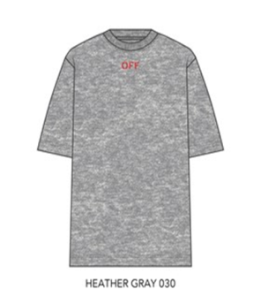
 | Off-White | KIDS UNISEX |  | 25OWFJA01F-030-C6 | BANGLADESH | 100% COTTON |  | OFF ACTIVE S/S TEE | HEATHER GRAY | OWFJA01F-030 | 2026-09-25 | $185.00 | 6 | 6 | 6 | '199920220893 | 1,974 | 1,974 | $365,190.00
 |  |  | OWFJA01F-030-PC | 25OWFJA01F-030-PC |  |  | S8 |  | HEATHER GRAY |  |  |  |  |  | 1 |  | 329
 |  |  | OWFJA01F-030-PC | 25OWFJA01F-030-PC |  |  | M10/12 |  | HEATHER GRAY |  |  |  |  |  | 2 |  | 658
 |  |  | OWFJA01F-030-PC | 25OWFJA01F-030-PC |  |  | L14 |  | HEATHER GRAY |  |  |  |  |  | 2 |  | 658
 |  |  | OWFJA01F-030-PC | 25OWFJA01F-030-PC |  |  | XL16 |  | HEATHER GRAY |  |  |  |  |  | 1 |  | 329

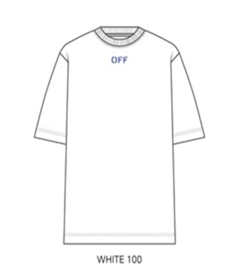
 | Off-White | KIDS UNISEX |  | 25OWFJA01F-100-C6 | BANGLADESH | 100% COTTON |  | OFF ACTIVE S/S TEE | WHITE | OWFJA01F-100 | 2026-09-25 | $185.00 | 6 | 6 | 6 | '199920222422 | 2,124 | 2,124 | $392,940.00
 |  |  | OWFJA01F-100-PC | 25OWFJA01F-100-PC |  |  | S8 |  | WHITE |  |  |  |  |  | 1 |  | 354
 |  |  | OWFJA01F-100-PC | 25OWFJA01F-100-PC |  |  | M10/12 |  | WHITE |  |  |  |  |  | 2 |  | 708
 |  |  | OWFJA01F-100-PC | 25OWFJA01F-100-PC |  |  | L14 |  | WHITE |  |  |  |  |  | 2 |  | 708
 |  |  | OWFJA01F-100-PC | 25OWFJA01F-100-PC |  |  | XL16 |  | WHITE |  |  |  |  |  | 1 |  | 354

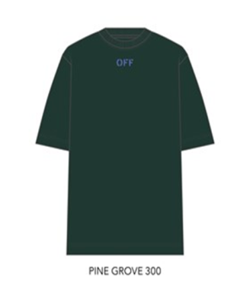
 | Off-White | KIDS UNISEX |  | 25OWFJA01F-300-C6 | BANGLADESH | 100% COTTON |  | OFF ACTIVE S/S TEE | PINE GROVE | OWFJA01F-300 | 2026-09-25 | $185.00 | 6 | 6 | 6 | '199920222453 | 2,034 | 2,034 | $376,290.00
 |  |  | OWFJA01F-300-PC | 25OWFJA01F-300-PC |  |  | S8 |  | PINE GROVE |  |  |  |  |  | 1 |  | 339
 |  |  | OWFJA01F-300-PC | 25OWFJA01F-300-PC |  |  | M10/12 |  | PINE GROVE |  |  |  |  |  | 2 |  | 678
 |  |  | OWFJA01F-300-PC | 25OWFJA01F-300-PC |  |  | L14 |  | PINE GROVE |  |  |  |  |  | 2 |  | 678
 |  |  | OWFJA01F-300-PC | 25OWFJA01F-300-PC |  |  | XL16 |  | PINE GROVE |  |  |  |  |  | 1 |  | 339

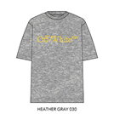
 | Off-White | KIDS UNISEX |  | 25OWFJA02F-030-C6 | BANGLADESH | 100% COTTON |  | OFF ACTIVE S/S TEE | HEATHER GRAY | OWFJA02F-030 | 2026-09-25 | $185.00 | 6 | 6 | 6 | '199920222538 | 2,718 | 2,718 | $502,830.00
 |  |  | OWFJA02F-030-PC | 25OWFJA02F-030-PC |  |  | S8 |  | HEATHER GRAY |  |  |  |  |  | 1 |  | 453
 |  |  | OWFJA02F-030-PC | 25OWFJA02F-030-PC |  |  | M10/12 |  | HEATHER GRAY |  |  |  |  |  | 2 |  | 906
 |  |  | OWFJA02F-030-PC | 25OWFJA02F-030-PC |  |  | L14 |  | HEATHER GRAY |  |  |  |  |  | 2 |  | 906
 |  |  | OWFJA02F-030-PC | 25OWFJA02F-030-PC |  |  | XL16 |  | HEATHER GRAY |  |  |  |  |  | 1 |  | 453

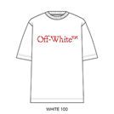
 | Off-White | KIDS UNISEX |  | 25OWFJA02F-100-C6 | BANGLADESH | 100% COTTON |  | OFF ACTIVE S/S TEE | WHITE | OWFJA02F-100 | 2026-09-25 | $185.00 | 6 | 6 | 6 | '199920222576 | 2,718 | 2,718 | $502,830.00
 |  |  | OWFJA02F-100-PC | 25OWFJA02F-100-PC |  |  | S8 |  | WHITE |  |  |  |  |  | 1 |  | 453
 |  |  | OWFJA02F-100-PC | 25OWFJA02F-100-PC |  |  | M10/12 |  | WHITE |  |  |  |  |  | 2 |  | 906
 |  |  | OWFJA02F-100-PC | 25OWFJA02F-100-PC |  |  | L14 |  | WHITE |  |  |  |  |  | 2 |  | 906
 |  |  | OWFJA02F-100-PC | 25OWFJA02F-100-PC |  |  | XL16 |  | WHITE |  |  |  |  |  | 1 |  | 453

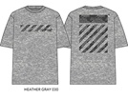
 | Off-White | KIDS UNISEX |  | 25OWFJA07F-030-C6 | BANGLADESH | 100% COTTON |  | OFF ACTIVE S/S TEE | HEATHER GRAY | OWFJA07F-030 | 2026-09-25 | $185.00 | 6 | 6 | 6 | '199920222507 | 2,610 | 2,610 | $482,850.00
 |  |  | OWFJA07F-030-PC | 25OWFJA07F-030-PC |  |  | S8 |  | HEATHER GRAY |  |  |  |  |  | 1 |  | 435
 |  |  | OWFJA07F-030-PC | 25OWFJA07F-030-PC |  |  | M10/12 |  | HEATHER GRAY |  |  |  |  |  | 2 |  | 870
 |  |  | OWFJA07F-030-PC | 25OWFJA07F-030-PC |  |  | L14 |  | HEATHER GRAY |  |  |  |  |  | 2 |  | 870
 |  |  | OWFJA07F-030-PC | 25OWFJA07F-030-PC |  |  | XL16 |  | HEATHER GRAY |  |  |  |  |  | 1 |  | 435

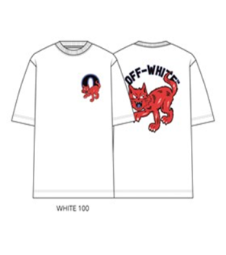
 | Off-White | KIDS UNISEX |  | 25OWFJA09F-100-C6 | BANGLADESH | 100% COTTON |  | OFF ACTIVE S/S TEE | WHITE | OWFJA09F-100 | 2026-09-25 | $185.00 | 6 | 6 | 6 | '199920222583 | 1,818 | 1,818 | $336,330.00
 |  |  | OWFJA09F-100-PC | 25OWFJA09F-100-PC |  |  | S8 |  | WHITE |  |  |  |  |  | 1 |  | 303
 |  |  | OWFJA09F-100-PC | 25OWFJA09F-100-PC |  |  | M10/12 |  | WHITE |  |  |  |  |  | 2 |  | 606
 |  |  | OWFJA09F-100-PC | 25OWFJA09F-100-PC |  |  | L14 |  | WHITE |  |  |  |  |  | 2 |  | 606
 |  |  | OWFJA09F-100-PC | 25OWFJA09F-100-PC |  |  | XL16 |  | WHITE |  |  |  |  |  | 1 |  | 303

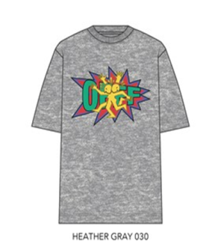
 | Off-White | KIDS UNISEX |  | 25OWFJA11F-030-C6 | BANGLADESH | 100% COTTON |  | OFF ACTIVE S/S TEE | HEATHER GRAY | OWFJA11F-030 | 2026-09-25 | $185.00 | 6 | 6 | 6 | '199920222668 | 2,418 | 2,418 | $447,330.00
 |  |  | OWFJA11F-030-PC | 25OWFJA11F-030-PC |  |  | S8 |  | HEATHER GRAY |  |  |  |  |  | 1 |  | 403
 |  |  | OWFJA11F-030-PC | 25OWFJA11F-030-PC |  |  | M10/12 |  | HEATHER GRAY |  |  |  |  |  | 2 |  | 806
 |  |  | OWFJA11F-030-PC | 25OWFJA11F-030-PC |  |  | L14 |  | HEATHER GRAY |  |  |  |  |  | 2 |  | 806
 |  |  | OWFJA11F-030-PC | 25OWFJA11F-030-PC |  |  | XL16 |  | HEATHER GRAY |  |  |  |  |  | 1 |  | 403

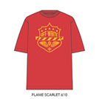
 | Off-White | KIDS UNISEX |  | 25OWFJA13F-610-C6 |  |  |  | OFF ACTIVE S/S TEE | FLAME SCARLET | OWFJA13F-610 | 2026-09-25 | $185.00 | 6 | 6 | 6 | '199920222736 | 2,718 | 2,718 | $502,830.00
 |  |  | OWFJA13F-610-PC | 25OWFJA13F-610-PC | BANGLADESH | 100% COTTON | S8 |  | FLAME SCARLET |  |  |  |  |  | 1 |  | 453
 |  |  | OWFJA13F-610-PC | 25OWFJA13F-610-PC |  |  | M10/12 |  | FLAME SCARLET |  |  |  |  |  | 2 |  | 906
 |  |  | OWFJA13F-610-PC | 25OWFJA13F-610-PC |  |  | L14 |  | FLAME SCARLET |  |  |  |  |  | 2 |  | 906
 |  |  | OWFJA13F-610-PC | 25OWFJA13F-610-PC |  |  | XL16 |  | FLAME SCARLET |  |  |  |  |  | 1 |  | 453

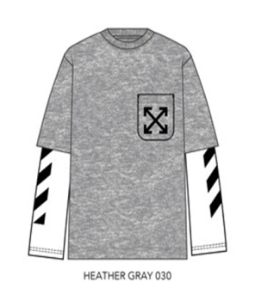
 | Off-White | KIDS UNISEX |  | 25OWFJA16F-030-C6 | BANGLADESH | 100% COTTON |  | OFF POCKET L/S TEE | HEATHER GRAY | OWFJA16F-030 | 2026-09-25 | $235.00 | 6 | 6 | 6 | '199920222521 | 1,668 | 1,668 | $391,980.00
 |  |  | OWFJA16F-030-PC | 25OWFJA16F-030-PC |  |  | S8 |  | HEATHER GRAY |  |  |  |  |  | 1 |  | 278
 |  |  | OWFJA16F-030-PC | 25OWFJA16F-030-PC |  |  | M10/12 |  | HEATHER GRAY |  |  |  |  |  | 2 |  | 556
 |  |  | OWFJA16F-030-PC | 25OWFJA16F-030-PC |  |  | L14 |  | HEATHER GRAY |  |  |  |  |  | 2 |  | 556
 |  |  | OWFJA16F-030-PC | 25OWFJA16F-030-PC |  |  | XL16 |  | HEATHER GRAY |  |  |  |  |  | 1 |  | 278

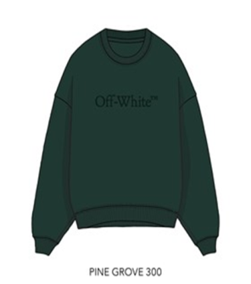
 | Off-White | KIDS UNISEX |  | 25OWFJB01F-300-C6 | PAKISTAN | 55/45 CTN/POLY |  | CORE BOOKISH CREWNECK | PINE GROVE | OWFJB01F-300 | 2026-09-25 | $235.00 | 6 | 6 | 6 | '199920222637 | 1,026 | 1,026 | $241,110.00
 |  |  | OWFJB01F-300-PC | 25OWFJB01F-300-PC |  |  | S8 |  | PINE GROVE |  |  |  |  |  | 1 |  | 171
 |  |  | OWFJB01F-300-PC | 25OWFJB01F-300-PC |  |  | M10/12 |  | PINE GROVE |  |  |  |  |  | 2 |  | 342
 |  |  | OWFJB01F-300-PC | 25OWFJB01F-300-PC |  |  | L14 |  | PINE GROVE |  |  |  |  |  | 2 |  | 342
 |  |  | OWFJB01F-300-PC | 25OWFJB01F-300-PC |  |  | XL16 |  | PINE GROVE |  |  |  |  |  | 1 |  | 171

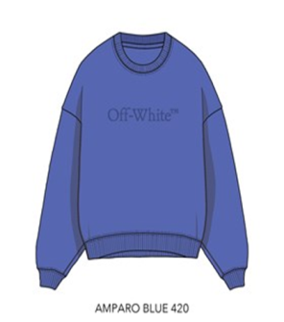
 | Off-White | KIDS UNISEX |  | 25OWFJB01F-420-C6 | PAKISTAN | 55/45 CTN/POLY |  | CORE BOOKISH CREWNECK | AMPARO BLUE | OWFJB01F-420 | 2026-09-25 | $235.00 | 6 | 6 | 6 | '199920222675 | 990 | 990 | $232,650.00
 |  |  | OWFJB01F-420-PC | 25OWFJB01F-420-PC |  |  | S8 |  | AMPARO BLUE |  |  |  |  |  | 1 |  | 165
 |  |  | OWFJB01F-420-PC | 25OWFJB01F-420-PC |  |  | M10/12 |  | AMPARO BLUE |  |  |  |  |  | 2 |  | 330
 |  |  | OWFJB01F-420-PC | 25OWFJB01F-420-PC |  |  | L14 |  | AMPARO BLUE |  |  |  |  |  | 2 |  | 330
 |  |  | OWFJB01F-420-PC | 25OWFJB01F-420-PC |  |  | XL16 |  | AMPARO BLUE |  |  |  |  |  | 1 |  | 165

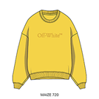
 | Off-White | KIDS UNISEX |  | 25OWFJB01F-720-C6 | PAKISTAN | 55/45 CTN/POLY |  | CORE BOOKISH CREWNECK | MAIZE | OWFJB01F-720 | 2026-09-25 | $235.00 | 6 | 6 | 6 | '199920222712 | 1,380 | 1,380 | $324,300.00
 |  |  | OWFJB01F-720-PC | 25OWFJB01F-720-PC |  |  | S8 |  | MAIZE |  |  |  |  |  | 1 |  | 230
 |  |  | OWFJB01F-720-PC | 25OWFJB01F-720-PC |  |  | M10/12 |  | MAIZE |  |  |  |  |  | 2 |  | 460
 |  |  | OWFJB01F-720-PC | 25OWFJB01F-720-PC |  |  | L14 |  | MAIZE |  |  |  |  |  | 2 |  | 460
 |  |  | OWFJB01F-720-PC | 25OWFJB01F-720-PC |  |  | XL16 |  | MAIZE |  |  |  |  |  | 1 |  | 230

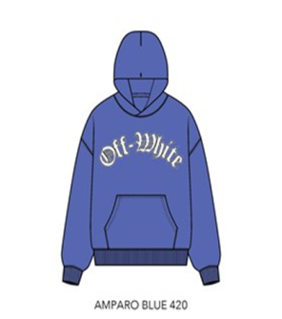
 | Off-White | KIDS UNISEX |  | 25OWFJB05F-420-C6 | PAKISTAN | 55/45 CTN/POLY |  | OFF ACTIVE HOODIE | AMPARO BLUE | OWFJB05F-420 | 2026-09-25 | $325.00 | 6 | 6 | 6 | '199920222989 | 972 | 972 | $315,900.00
 |  |  | OWFJB05F-420-PC | 25OWFJB05F-420-PC |  |  | S8 |  | AMPARO BLUE |  |  |  |  |  | 1 |  | 162
 |  |  | OWFJB05F-420-PC | 25OWFJB05F-420-PC |  |  | M10/12 |  | AMPARO BLUE |  |  |  |  |  | 2 |  | 324
 |  |  | OWFJB05F-420-PC | 25OWFJB05F-420-PC |  |  | L14 |  | AMPARO BLUE |  |  |  |  |  | 2 |  | 324
 |  |  | OWFJB05F-420-PC | 25OWFJB05F-420-PC |  |  | XL16 |  | AMPARO BLUE |  |  |  |  |  | 1 |  | 162

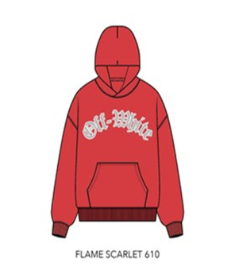
 |  |  |  |  |  |  |  |  |  |  |  |  |  |  |  |  |  | 0
 | Off-White | KIDS UNISEX |  | 25OWFJB05F-610-C6 | PAKISTAN | 55/45 CTN/POLY |  | OFF ACTIVE HOODIE | FLAME SCARLET | OWFJB05F-610 | 2026-09-25 | $325.00 | 6 | 6 | 6 | '199920223016 | 924 | 924 | $300,300.00
 |  |  | OWFJB05F-610-PC | 25OWFJB05F-610-PC |  |  | S8 |  | FLAME SCARLET |  |  |  |  |  | 1 |  | 154
 |  |  | OWFJB05F-610-PC | 25OWFJB05F-610-PC |  |  | M10/12 |  | FLAME SCARLET |  |  |  |  |  | 2 |  | 308
 |  |  | OWFJB05F-610-PC | 25OWFJB05F-610-PC |  |  | L14 |  | FLAME SCARLET |  |  |  |  |  | 2 |  | 308
 |  |  | OWFJB05F-610-PC | 25OWFJB05F-610-PC |  |  | XL16 |  | FLAME SCARLET |  |  |  |  |  | 1 |  | 154

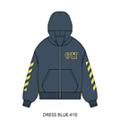
 | Off-White | KIDS UNISEX |  | 25OWFJB07F-410-C6 | PAKISTAN | 55/45 CTN/POLY |  | OFF ACTIVE HOODIE | DRESS BLUE | OWFJB07F-410 | 2026-09-25 | $390.00 | 6 | 6 | 6 | '199920222859 | 1,518 | 1,518 | $592,020.00
 |  |  | OWFJB07F-410-PC | 25OWFJB07F-410-PC |  |  | S8 |  | DRESS BLUE |  |  |  |  |  | 1 |  | 253
 |  |  | OWFJB07F-410-PC | 25OWFJB07F-410-PC |  |  | M10/12 |  | DRESS BLUE |  |  |  |  |  | 2 |  | 506
 |  |  | OWFJB07F-410-PC | 25OWFJB07F-410-PC |  |  | L14 |  | DRESS BLUE |  |  |  |  |  | 2 |  | 506
 |  |  | OWFJB07F-410-PC | 25OWFJB07F-410-PC |  |  | XL16 |  | DRESS BLUE |  |  |  |  |  | 1 |  | 253

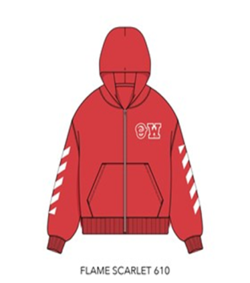
 |  |  |  |  |  |  |  |  |  |  |  |  |  |  |  |  |  | 0
 | Off-White | KIDS UNISEX |  | 25OWFJB07F-610-C6 | PAKISTAN | 55/45 CTN/POLY |  | OFF ACTIVE HOODIE | FLAME SCARLET | OWFJB07F-610 | 2026-09-25 | $390.00 | 6 | 6 | 6 | '199920222880 | 924 | 924 | $360,360.00
 |  |  | OWFJB07F-610-PC | 25OWFJB07F-610-PC |  |  | S8 |  | FLAME SCARLET |  |  |  |  |  | 1 |  | 154
 |  |  | OWFJB07F-610-PC | 25OWFJB07F-610-PC |  |  | M10/12 |  | FLAME SCARLET |  |  |  |  |  | 2 |  | 308
 |  |  | OWFJB07F-610-PC | 25OWFJB07F-610-PC |  |  | L14 |  | FLAME SCARLET |  |  |  |  |  | 2 |  | 308
 |  |  | OWFJB07F-610-PC | 25OWFJB07F-610-PC |  |  | XL16 |  | FLAME SCARLET |  |  |  |  |  | 1 |  | 154

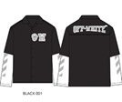
 | Off-White | KIDS UNISEX |  | 25OWFJB08F-001-C6 | BANGLADESH | 100% COTTON |  | WOVEN TWO-FER | BLACK | OWFJB08F-001 | 2026-09-25 | $350.00 | 6 | 6 | 6 | '199920222910 | 600 | 600 | $210,000.00
 |  |  | OWFJB08F-001-PC | 25OWFJB08F-001-PC |  |  | S8 |  | BLACK |  |  |  |  |  | 1 |  | 100
 |  |  | OWFJB08F-001-PC | 25OWFJB08F-001-PC |  |  | M10/12 |  | BLACK |  |  |  |  |  | 2 |  | 200
 |  |  | OWFJB08F-001-PC | 25OWFJB08F-001-PC |  |  | L14 |  | BLACK |  |  |  |  |  | 2 |  | 200
 |  |  | OWFJB08F-001-PC | 25OWFJB08F-001-PC |  |  | XL16 |  | BLACK |  |  |  |  |  | 1 |  | 100

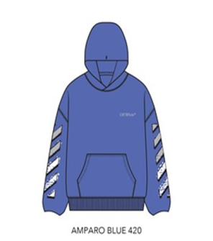
 |  |  |  |  |  |  |  |  |  |  |  |  |  |  |  |  |  | 0
 | Off-White | KIDS UNISEX |  | 25OWFJB11F-420-C6 | PAKISTAN | 55/45 CTN/POLY |  | OFF ACTIVE HOODIE | AMPARO BLUE | OWFJB11F-420 | 2026-09-25 | $325.00 | 6 | 6 | 6 | '199920223054 | 1,218 | 1,218 | $395,850.00
 |  |  | OWFJB11F-420-PC | 25OWFJB11F-420-PC |  |  | S8 |  | AMPARO BLUE |  |  |  |  |  | 1 |  | 203
 |  |  | OWFJB11F-420-PC | 25OWFJB11F-420-PC |  |  | M10/12 |  | AMPARO BLUE |  |  |  |  |  | 2 |  | 406
 |  |  | OWFJB11F-420-PC | 25OWFJB11F-420-PC |  |  | L14 |  | AMPARO BLUE |  |  |  |  |  | 2 |  | 406
 |  |  | OWFJB11F-420-PC | 25OWFJB11F-420-PC |  |  | XL16 |  | AMPARO BLUE |  |  |  |  |  | 1 |  | 203

 |  |  |  |  |  |  |  |  |  |  |  |  |  |  |  |  | 150,588

